PO
 |  |  | PURCHASE ORDER

DATE: | 17.02.2018 |  | REPRESENTATIVE OF EXPORTER:
REFERENCE: | Q20181256911
PAYMENT TERMS: | 100% Cash Advance
SHIPMENT MODE: | By Sea
SHIPMENT TERMS: | Ex factory

EXPORTER: |  |  | SHIP TO:

DESCRIPTION |  | QUANTITY | UNIT | PRICE | AMOUNT

AMOUNT IN WORDS: |  |  |  | SUB-TOTAL | AED 0.00
 |  |  |  | OTHERS | -
 |  |  |  | TOTAL AMOUNT | AED 0.00


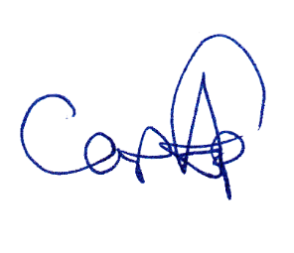
PACKING: Container
ORIGIN: China
LOADING PORT: Port of Hongkong, China
DISCHARGE PORT: Port of Bangkok, Thailand

 |  |  |  | APPROVED BY:

